Standard Dev
Date | Bank Visitor
2022-12-01 | 8
2022-12-02 | 1
2022-12-03 | 2 | Mean | 6.1
2022-12-04 | 3 | Stdev | 4.1
2022-12-05 | 3
2022-12-06 | 8
2022-12-07 | 1 | Case
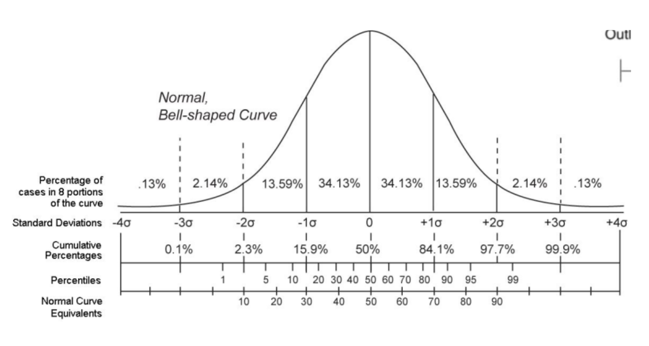
2022-12-08 | 8 | If you are the data analyst of the bank, how many chair that you need to prepared to cover 96% of all visitior at least will get the seat?
2022-12-09 | 10
2022-12-10 | 5
2022-12-11 | 9
2022-12-12 | 6 |  |  | 48% * 2
2022-12-13 | 8 |  |  | 47.72%
2022-12-14 | 2
2022-12-15 | 9 |  |  | -2.1 | 14.3
2022-12-16 | 4 |  |  | 0 | 15
2022-12-17 | 20
2022-12-18 | 10
2022-12-19 | 6
2022-12-20 | 1
2022-12-21 | 6
2022-12-22 | 10
2022-12-23 | 7
2022-12-24 | 3 | With assuming the data is normally distributed
2022-12-25 | 5 | We can prepare the chair to cover 96% of the seat at least for
2022-12-26 | 9 | mean + 2 * std.dev
2022-12-27 | 6 | 6,1 + 2 * (4,1)
2022-12-28 | 2 | 14.3
2022-12-29 | 10
2022-12-30 | 1 | 15 chair we need to prep.

Linear Regression
Sales vs. Month
2022-01-01 | 503
2022-02-01 | 510
2022-03-01 | 600
2022-04-01 | 650
2022-05-01 | 600
2022-06-01 | 700
2022-07-01 | 800
2022-08-01 | 750
2022-09-01 | 680
2022-10-01 | 900
2022-11-01 | 1200
2022-12-01 | 1000
Month | Sales
2022-01-01 | 1000
2022-02-01 | 1200
2022-03-01 | 1300
2022-04-01 | 1400
2022-05-01 | 1600
2022-06-01 | 1615
2022-07-01 | 1700
2022-08-01 | 2010
2022-09-01 | 1800
2022-10-01 | 2010
2022-11-01 | 2150
2022-12-01 | 2300
2023-01-01 | 2384
2023-02-01 | 2495
2023-03-01 | 2595

 |  | There is no seasonality

Linear Regression - Task
Month | Visitor
2022-01-01 | 503 | modal belajar buat bikin formula / persamaan dari si linear regresi
2022-02-01 | 510 |  | You are the manager of the museum, you asked to forecast and visualize the forecast of the 2023 Q1 potential visitor
2022-03-01 | 600 |  | 1. Provide a forecast for Q1 2023
2022-04-01 | 650 |  | 2. Provide the visualization (in scatter plot)
2022-05-01 | 600
2022-06-01 | 700
Visitor vs. Month
2022-07-01 | 800 |  |  | Y | Harapan Hidup
2022-08-01 | 750 |  |  | X1 | Rata-Rata Kolesterol
2022-09-01 | 680 |  |  | X2 | Pendapatan Keluarga
2022-10-01 | 900 |  |  | X3 | Jumlah Anak
2022-11-01 | 1200
2022-12-01 | 1000 |  |  | Alternative
2023-01-01 | 1071 | x untuk prediksi |  |  | Multiple Linear Regression
2023-02-01 | 1123 |  |  |  | X1
2023-03-01 | 1170 |  |  |  | X2
 |  |  |  |  | X3
 |  |  |  |  | Y

